Report
INSTRUCTIONS FOR RUNNING REPORT

Log into Workday and type the report name in the search box

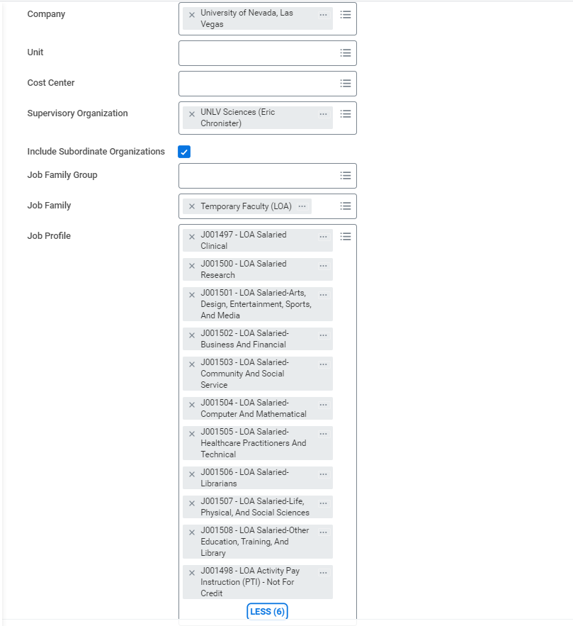
Enter "University of Nevada, Las Vegas" if it doesn't automatically populate

Enter Sup Org

Check box so results include all subordinate sup orgs.

C
Type Temporary Faculty (LOA)

Type "salaried" in the search box and all salaried job profiles will populate. Check all except for J001499 - LOA Activity Pay Instruction (PTI) - For Credit, leave unchecked.
The list to the left will populate

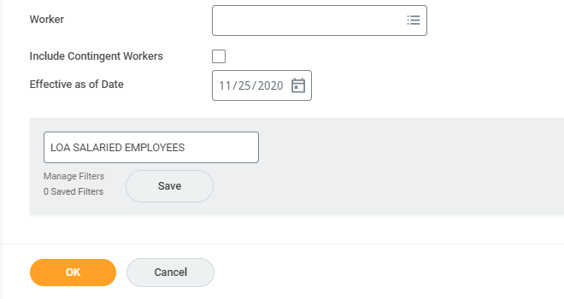
Leave blank to see all employees

Defaulted to today, no need to change.

You can save these filters for when you need to run this report in the future. Enter a name for the filter and select "Save"

Report Results

Scroll to the right to locate the Worker FTE

